Sheet1
 | Operator Joystick |  |  | v1.0 (Mar 7, 2020)

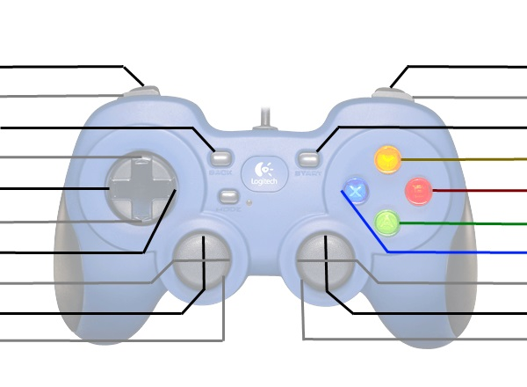
Spin Up Flywheel |  |  |  | Auto Shoot Far
Shoot Close |  |  |  | Shoot Far
Control Panel Rotate 3x |  |  |  | Control Panel Rotate to Colour
Up-Shift |  |  |  | Control Panel Arm Fold/Unfold
Left-Shift |  |  |  | Expel (when moving forward)
Down-Shift |  |  |  | Intake
Right-Shift |  |  |  | *[Climb Arm with Shifts]

(Control Panel Rotate) |  |  |  | *Raise/Lower Climb
Kill Everything |  |  |  | Kill Everything

 | These are typically used for debugging or manual override
 | *Shift | Right Vertical Axis | X
 | Up | - | Climb Arm Lock
 | Right | - | -
 | Down | Climb Encoders Bypassed | Climb Arm Release
 | Left | - | -

 | Driver Joystick

 |  |  |  | Disable Auto-Shift
Climb Adjust Left |  |  |  | Climb Adjust Right
Vision-Align Short |  |  |  | Vision-Align Long

 |  |  |  | Backup 1 foot

 |  |  |  | Turn Left/Right
Drive Forwards/Backwards
Kill Everything |  |  |  | Kill Everything

